Charts
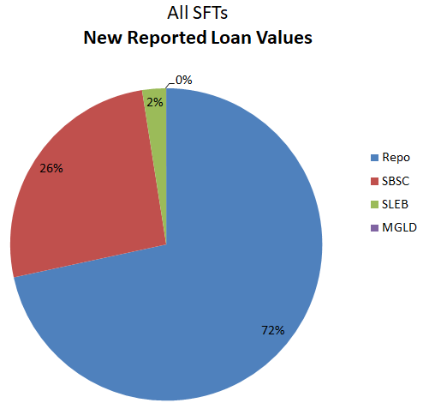
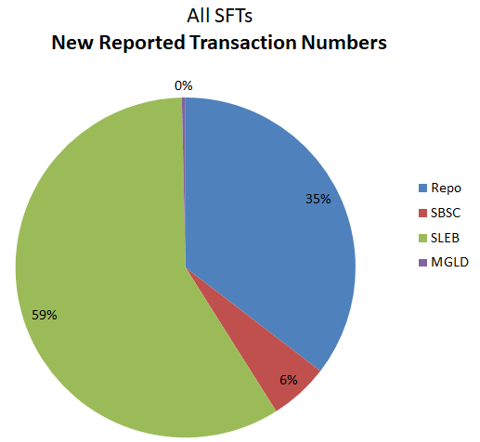
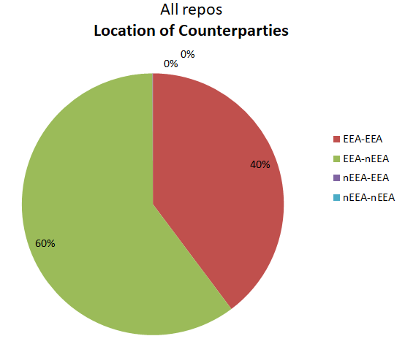
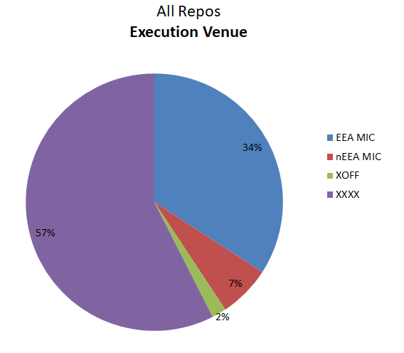
SFTR Public Data - EU Week 71: 15 to 19 November 2021

Images
All SFTs New Reported Loan Values
All SFTs New Reported Transaction Numbers
All Repos Execution Venue
New Reported Loan Values
Repo | 7166580.3426
SBSC | 2591659.1703
SLEB | 247152.22497
MGLD | 1121.8233444

New Reported Transaction Numbers
Repo | 281474
SBSC | 44698
SLEB | 465906
MGLD | 2760

All repos Location of Counterparties
Location
EEA-EEA | 3880536.6522
EEA-nEEA | 5873113.9162
nEEA-EEA | 4355.0957783
nEEA-nEEA | 233.84872101
EV
EEA MIC | 3329487.3385
nEEA MIC | 641077.22682
XOFF | 176829.37585
XXXX | 5607871.7461

Location
EEA-EEA | 3880536.6522
EEA-nEEA | 5873113.9162
nEEA-EEA | 4355.0957783
nEEA-nEEA | 233.84872101

New Reported Loan Values
 | Total SFTs | Repo Loan Value | End of Brexit transition
7/17/2020 | 14 | 14
7/24/2020 | 16 | 16
7/31/2020 | 17 | 16
8/7/2020 | 17 | 16
8/14/2020 | 16 | 16
8/21/2020 | 18 | 16
8/28/2020 | 16 | 15
9/4/2020 | 16 | 16
9/11/2020 | 16 | 15
9/18/2020 | 18 | 17
9/25/2020 | 18 | 17
10/2/2020 | 20 | 19
10/9/2020 | 21 | 19
10/16/2020 | 18 | 17
10/23/2020 | 19 | 19
10/30/2020 | 19 | 18
11/6/2020 | 18 | 18
11/13/2020 | 18 | 17
11/20/2020 | 19 | 18
11/27/2020 | 18 | 17
12/4/2020 | 19 | 19
12/11/2020 | 19 | 18
12/18/2020 | 17 | 16
12/25/2020 | 13 | 13
1/1/2021 | 9 | 9 | 20.00
1/8/2021 | 10 | 10
1/15/2021 | 11 | 11
1/22/2021 | 11 | 11
1/29/2021 | 11 | 11
2/5/2021 | 12 | 12
2/12/2021 | 12 | 11
2/19/2021 | 12 | 11
2/26/2021 | 12 | 12
3/5/2021 | 12 | 12
3/12/2021 | 12 | 12
3/19/2021 | 13 | 13
3/26/2021 | 11 | 11
4/2/2021 | 10 | 10
4/9/2021 | 9 | 9
4/16/2021 | 12 | 11
4/23/2021 | 12 | 11
4/30/2021 | 11 | 11
5/7/2021 | 12 | 11
5/14/2021 | 12 | 12
5/21/2021 | 12 | 12
5/28/2021 | 12 | 12
6/4/2021 | 11 | 11
6/11/2021 | 13 | 12
6/18/2021 | 12 | 12
6/25/2021 | 12 | 12
...
Outstanding Loan Values
 | Total SFTs | Repo Loan Value | End of Brexit transition
7/17/2020 | 8 | 7
7/24/2020 | 9 | 8
7/31/2020 | 10 | 8
8/7/2020 | 10 | 9
8/14/2020 | 11 | 9
8/21/2020 | 12 | 10
8/28/2020 | 12 | 10
9/4/2020 | 13 | 10
9/11/2020 | 13 | 11
9/18/2020 | 15 | 12
9/25/2020 | 15 | 12
10/2/2020 | 15 | 12
10/9/2020 | 17 | 12
10/16/2020 | 18 | 13
10/23/2020 | 15 | 13
10/30/2020 | 14 | 12
11/6/2020 | 15 | 13
11/13/2020 | 16 | 14
11/20/2020 | 16 | 14
11/27/2020 | 16 | 14
12/4/2020 | 18 | 15
12/11/2020 | 15 | 12
12/18/2020 | 17 | 14
12/25/2020 | 15 | 12
1/1/2021 | 7 | 6 | 20
1/8/2021 | 9 | 8
1/15/2021 | 9 | 8
1/22/2021 | 10 | 8
1/29/2021 | 10 | 9
2/5/2021 | 10 | 9
2/12/2021 | 11 | 9
2/19/2021 | 11 | 10
2/26/2021 | 11 | 10
3/5/2021 | 10 | 9
3/12/2021 | 12 | 10
3/19/2021 | 12 | 10
3/26/2021 | 11 | 10
4/2/2021 | 11 | 10
4/9/2021 | 11 | 10
4/16/2021 | 11 | 10
4/23/2021 | 11 | 10
4/30/2021 | 11 | 10
5/7/2021 | 12 | 10
5/14/2021 | 12 | 10
5/21/2021 | 12 | 11
5/28/2021 | 12 | 11
6/4/2021 | 12 | 10
6/11/2021 | 12 | 11
6/18/2021 | 12 | 11
6/25/2021 | 12 | 11
...

 | Repo Loan Value | Total SFTs | End of Brexit transition |  | Repo Loan Value | Total SFTs | End of Brexit transition
2020-07-17 | 14 | 14 |  | 2020-07-17 | 7 | 8
2020-07-24 | 16 | 16 |  | 2020-07-24 | 8 | 9
2020-07-31 | 16 | 17 |  | 2020-07-31 | 8 | 10
2020-08-07 | 16 | 17 |  | 2020-08-07 | 9 | 10
2020-08-14 | 16 | 16 |  | 2020-08-14 | 9 | 11
2020-08-21 | 16 | 18 |  | 2020-08-21 | 10 | 12
2020-08-28 | 15 | 16 |  | 2020-08-28 | 10 | 12
2020-09-04 | 16 | 16 |  | 2020-09-04 | 10 | 13
2020-09-11 | 15 | 16 |  | 2020-09-11 | 11 | 13
2020-09-18 | 17 | 18 |  | 2020-09-18 | 12 | 15
2020-09-25 | 17 | 18 |  | 2020-09-25 | 12 | 15
2020-10-02 | 19 | 20 |  | 2020-10-02 | 12 | 15
2020-10-09 | 19 | 21 |  | 2020-10-09 | 12 | 17
2020-10-16 | 17 | 18 |  | 2020-10-16 | 13 | 18
2020-10-23 | 19 | 19 |  | 2020-10-23 | 13 | 15
2020-10-30 | 18 | 19 |  | 2020-10-30 | 12 | 14
2020-11-06 | 18 | 18 |  | 2020-11-06 | 13 | 15
2020-11-13 | 17 | 18 |  | 2020-11-13 | 14 | 16
2020-11-20 | 18 | 19 |  | 2020-11-20 | 14 | 16
2020-11-27 | 17 | 18 |  | 2020-11-27 | 14 | 16
2020-12-04 | 19 | 19 |  | 2020-12-04 | 15 | 18
2020-12-11 | 18 | 19 |  | 2020-12-11 | 12 | 15
2020-12-18 | 16 | 17 |  | 2020-12-18 | 14 | 17
2020-12-25 | 13 | 13 |  | 2020-12-25 | 12 | 15
2021-01-01 | 9 | 9 | 20 | 2021-01-01 | 6 | 7 | 20
2021-01-08 | 10 | 10 |  | 2021-01-08 | 8 | 9
2021-01-15 | 11 | 11 |  | 2021-01-15 | 8 | 9
2021-01-22 | 11 | 11 |  | 2021-01-22 | 8 | 10
2021-01-29 | 11 | 11 |  | 2021-01-29 | 9 | 10
2021-02-05 | 12 | 12 |  | 2021-02-05 | 9 | 10
2021-02-12 | 11 | 12 |  | 2021-02-12 | 9 | 11
2021-02-19 | 11 | 12 |  | 2021-02-19 | 10 | 11
2021-02-26 | 12 | 12 |  | 2021-02-26 | 10 | 11
2021-03-05 | 12 | 12 |  | 2021-03-05 | 9 | 10
2021-03-12 | 12 | 12 |  | 2021-03-12 | 10 | 12
2021-03-19 | 13 | 13 |  | 2021-03-19 | 10 | 12
2021-03-26 | 11 | 11 |  | 2021-03-26 | 10 | 11
2021-04-02 | 10 | 10 |  | 2021-04-02 | 10 | 11
2021-04-09 | 9 | 9 |  | 2021-04-09 | 10 | 11
2021-04-16 | 11 | 12 |  | 2021-04-16 | 10 | 11
2021-04-23 | 11 | 12 |  | 2021-04-23 | 10 | 11
2021-04-30 | 11 | 11 |  | 2021-04-30 | 10 | 11
2021-05-07 | 11 | 12 |  | 2021-05-07 | 10 | 12
2021-05-14 | 12 | 12 |  | 2021-05-14 | 10 | 12
2021-05-21 | 12 | 12 |  | 2021-05-21 | 11 | 12
2021-05-28 | 12 | 12 |  | 2021-05-28 | 11 | 12
2021-06-04 | 11 | 11 |  | 2021-06-04 | 10 | 12
2021-06-11 | 12 | 13 |  | 2021-06-11 | 11 | 12
2021-06-18 | 12 | 12 |  | 2021-06-18 | 11 | 12
2021-06-25 | 12 | 12 |  | 2021-06-25 | 11 | 12
2021-07-02 | 11 | 12 |  | 2021-07-02 | 10 | 12
2021-07-09 | 11 | 12 |  | 2021-07-09 | 11 | 15
2021-07-16 | 12 | 12 |  | 2021-07-16 | 11 | 16
2021-07-23 | 11 | 12 |  | 2021-07-23 | 11 | 16
2021-07-30 | 12 | 12 |  | 2021-07-30 | 11 | 16
2021-08-06 | 11 | 11 |  | 2021-08-06 | 10 | 15
2021-08-13 | 11 | 12 |  | 2021-08-13 | 11 | 16
2021-08-20 | 11 | 12 |  | 2021-08-20 | 11 | 16
2021-08-27 | 12 | 12 |  | 2021-08-27 | 11 | 16
2021-09-03 | 12 | 12 |  | 2021-09-03 | 11 | 16
2021-09-10 | 12 | 15 |  | 2021-09-10 | 12 | 20
2021-09-17 | 11 | 11 |  | 2021-09-17 | 11 | 19
2021-09-24 | 9 | 10 |  | 2021-09-24 | 10 | 18
2021-10-01 | 12 | 13 |  | 2021-10-01 | 11 | 20
2021-10-08 | 12 | 13 |  | 2021-10-08 | 12 | 20
2021-10-15 | 12 | 12 |  | 2021-10-15 | 12 | 20
2021-10-22 | 12 | 13 |  | 2021-10-22 | 12 | 20
2021-10-29 | 12 | 13 |  | 2021-10-29 | 12 | 20
2021-11-05 | 13 | 13 |  | 2021-11-05 | 12 | 21
2021-11-12 | 12.275222646 | 12.637292679 |  | 2021-11-12 | 12.208485134 | 14.132198966
2021-11-19 | 9.7582395129 | 10.006513561 |  | 2021-11-19 | 8.0818856255 | 9.8934774413

